Univariate for Quantitative
 | Hourly Rate

 | Mean | 65.891156463
 | Standard Error | 0.53023267021
 | Median | 66
Hourly Rate | Mode | 66
 | Standard Deviation | 20.329427594
 | Sample Variance | 413.2856263
 | Kurtosis | -1.1963984563
 | Skewness | -0.0323109529
 | Range | 70
 | Minimum | 30
 | Maximum | 100
 | Sum | 96860
 | Count | 1470

 | Daily Rate

 | Mean | 802.48571429
 | Standard Error | 10.524335057
 | Median | 802
 | Mode | 691
Daily Rate | Standard Deviation | 403.50909994
 | Sample Variance | 162819.59374
 | Kurtosis | -1.2038228076
 | Skewness | -0.0035185683523
 | Range | 1397
 | Minimum | 102
 | Maximum | 1499
 | Sum | 1179654
 | Count | 1470

 | DistanceFromHome

 | Mean | 9.1925170068
 | Standard Error | 0.21144345343
 | Median | 7
 | Mode | 2
DistanceFromHome | Standard Deviation | 8.1068644357
 | Sample Variance | 65.721250978
 | Kurtosis | -0.2248334049
 | Skewness | 0.95811799566
 | Range | 28
 | Minimum | 1
 | Maximum | 29
 | Sum | 13513
 | Count | 1470

 | JobLevel
 | 2
 | 2
 | 1
 | 1
 | 1
 | 1
 | 1
 | 1
 | 3
 | 2
 | 1
 | 2
 | 1
 | 1
 | 1
 | 3
 | 1
 | 1
 | 4
 | 1
 | 2
 | 1
 | 3
 | 1
 | 1
 | 5
 | 1
 | 2
 | 3
 | 5
 | 1
 | 2
 | 1
 | 2
 | 1
 | 1
 | 1
 | 1
 | 1
 | 2
 | 1
 | 1
 | 1
 | 3
 | 2
 | 5
 | 2
 | 1
 | 2
 | 1
...
 | JobLevel

 | Mean | 2.0639455782
 | Standard Error | 0.028871235831
 | Median | 2
 | Mode | 1
 | Standard Deviation | 1.1069398989
JobLevel | Sample Variance | 1.2253159399
 | Kurtosis | 0.39915205539
 | Skewness | 1.025401283
 | Range | 4
 | Minimum | 1
 | Maximum | 5
 | Sum | 3034
 | Count | 1470

 | PerformanceRating
 | 3
 | 4
 | 3
 | 3
 | 3
 | 3
 | 4
 | 4
 | 4
 | 3
 | 3
 | 3
 | 3
 | 3
 | 3
 | 3
 | 3
 | 3
 | 3
 | 3
 | 3
 | 4
 | 3
 | 3
 | 3
 | 3
 | 4
 | 3
 | 3
 | 3
 | 3
 | 3
 | 3
 | 3
 | 3
 | 3
 | 3
 | 3
 | 3
 | 3
 | 3
 | 3
 | 3
 | 3
 | 4
 | 3
 | 4
 | 4
 | 4
 | 3
...
 | PerformanceRating

 | Mean | 3.1537414966
 | Standard Error | 0.0094110087478
 | Median | 3
 | Mode | 3
 | Standard Deviation | 0.3608235246
PerformanceRating | Sample Variance | 0.13019361591
 | Kurtosis | 1.6959386701
 | Skewness | 1.9218827021
 | Range | 1
 | Minimum | 3
 | Maximum | 4
 | Sum | 4636
 | Count | 1470

Univariate for Categorical
Department |  | Job Role |  | Education Field |  | Age Class

Count of Age Class
 | Total
Middle-aged | 811
Senior | 273
Young | 386
 | Total
Healthcare Representative | 131
Human Resources | 52
Laboratory Technician | 259
Manager | 102
Manufacturing Director | 145
Research Director | 80
Research Scientist | 292
Sales Executive | 326
Sales Representative | 83
 | Total
Healthcare Representative | 131
Human Resources | 52
Laboratory Technician | 259
Manager | 102
Manufacturing Director | 145
Research Director | 80
Research Scientist | 292
Sales Executive | 326
Sales Representative | 83
 | Total
Human Resources | 27
Life Sciences | 606
Marketing | 159
Medical | 464
Other | 82
Technical Degree | 132

Row Labels | Count of Department | Row Labels | Count of JobRole | Row Labels | Count of EducationField |  | Age Class | Count of Age Class
Human Resources | 63 | Healthcare Representative | 131 | Human Resources | 27 |  | Middle-aged | 811
Research & Development | 961 | Human Resources | 52 | Life Sciences | 606 |  | Senior | 273
Sales | 446 | Laboratory Technician | 259 | Marketing | 159 |  | Young | 386
Grand Total | 1470 | Manager | 102 | Medical | 464
 |  | Manufacturing Director | 145 | Other | 82
 |  | Research Director | 80 | Technical Degree | 132
 |  | Research Scientist | 292 | Grand Total | 1470
 |  | Sales Executive | 326
 |  | Sales Representative | 83
 |  | Grand Total | 1470

T-test
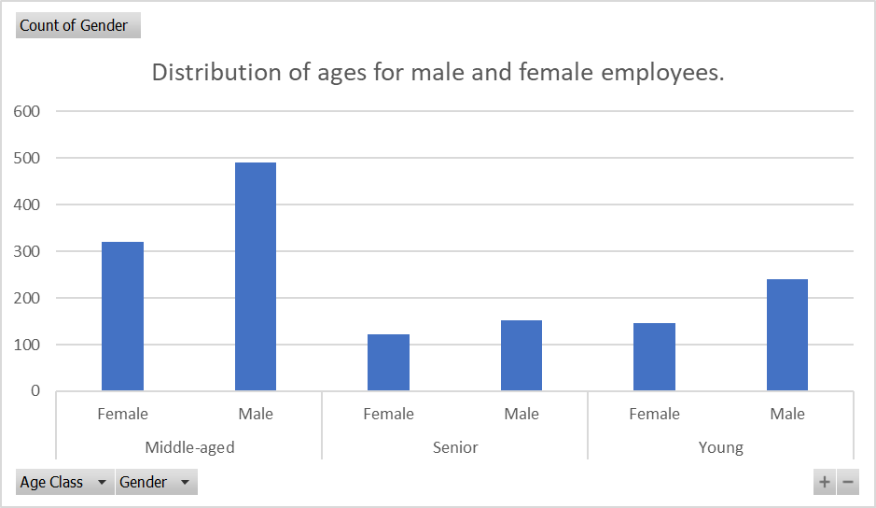
Hypothesis 1: T-Test for Gender-Based Age Distribution |  |  | t-Test: Two-Sample Assuming Unequal Variances

Hypothesis Statement: |  |  |  | Gender Coding | Age
 |  |  | Mean | 0.4 | 36.923809524
H0 (Null Hypothesis): There is no significant difference in age between male and female employees. |  |  | Variance | 0.24016337645 | 83.455048786
H1 (Alternative Hypothesis): There is a significant difference in age between male and female employees. |  |  | Observations | 1470 | 1470
 |  |  | Hypothesized Mean Difference | 0
t-Test: Two-Sample Assuming Equal Variances |  |  | df | 1477
 |  |  | t Stat | -153.0680076
 | PerformanceRating | Age | P(T<=t) one-tail | 0
Mean | 3.1537414966 | 36.923809524 | t Critical one-tail | 1.6458859432
Variance | 0.13019361591 | 83.455048786 | P(T<=t) two-tail | 0
Observations | 1470 | 1470 | t Critical two-tail | 1.9615714208
Pooled Variance | 41.792621201
Hypothesized Mean Difference | 0
df | 2938
t Stat | -141.62039447
P(T<=t) one-tail | 0
t Critical one-tail | 1.6453724332
P(T<=t) two-tail | 0
t Critical two-tail | 1.9607717559

Chi-squared Test
Hypothesis 2: Chi-squared Test
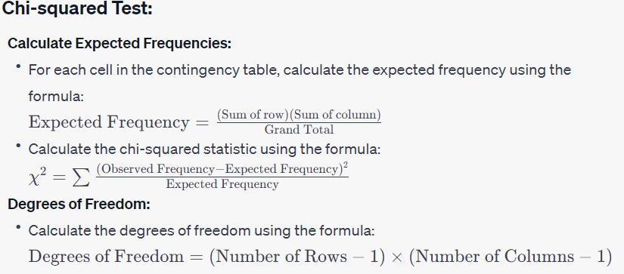
Hypothesis Statement:

H0: There is no significant association between gender and attrition.
H1: There is significant association between gender and attrition.

Observed(O) |  |  |  | Expected ( E)
Gender | No | Yes | Grand Total | Gender | No | Yes | Grand Total
Male | 501 | 87 | 588 | Male | 493.2 | 94.8 | 588
Female | 732 | 150 | 882 | Female | 739.8 | 142.2 | 1470
Grand Total | 1233 | 237 | 1470 | Grand Total | 1233 | 237 | 1470

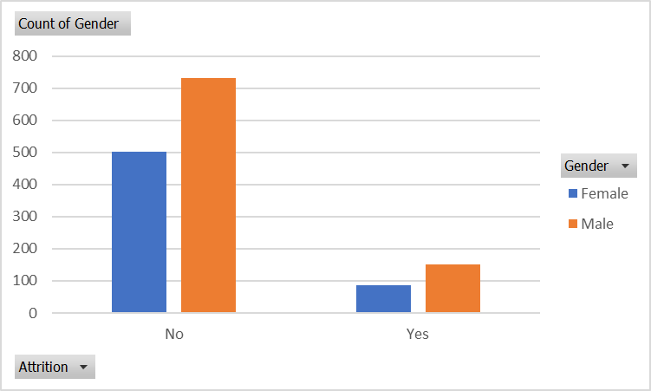
(O-E)^2/E | No | Yes

Male | 0.12335766423 | 0.6417721519
Female | 0.082238442822 | 0.42784810127

X^2 | 1.2752163602
df | 1
p-value | 0.25879037049

ANOVA
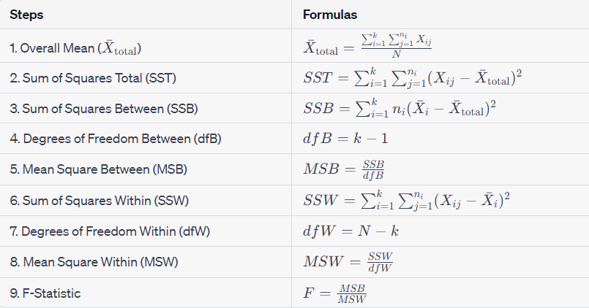
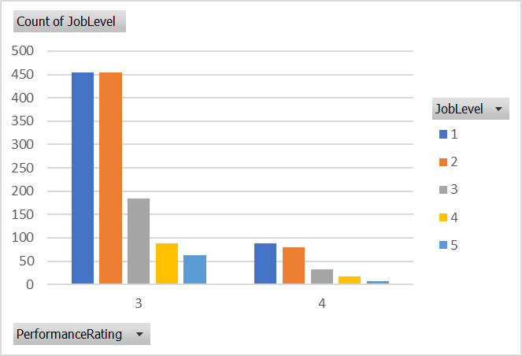
Hypothesis 3: ANOVA for Job Level and Performance Rating

Hypothesis Statement:

H0: There is no significant difference in performance rating across job levels.
H1: There is a significant difference in performance rating across job levels.

 | Anova: Single Factor

 | SUMMARY
 | Groups | Count | Sum | Average | Variance
 | JobLevel | 1470 | 3034 | 2.0639455782 | 1.2253159399
 | PerformanceRating | 1470 | 4636 | 3.1537414966 | 0.13019361591

 | ANOVA
 | Source of Variation | SS | df | MS | F | P-value | F crit
 | Between Groups | 872.92653061 | 1 | 872.92653061 | 1287.9680957 | 3.22E-234 | 3.8446258787
 | Within Groups | 1991.2435374 | 2938 | 0.67775477788

 | Total | 2864.170068 | 2939

Odds Ratio
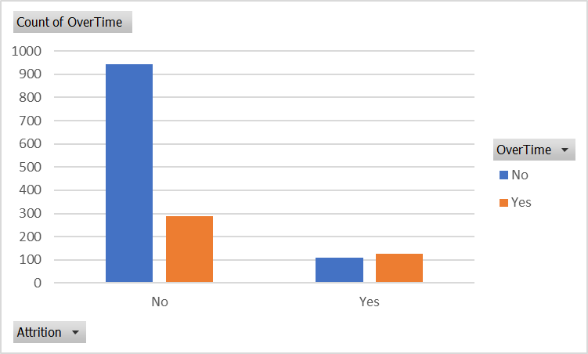
Hypothesis 4: Odds Ratio (OR) Test

Hypothesis Statement:

H0 (Null Hypothesis): There is no significant difference in the odds of attrition between employees with and without overtime.
H1 (Alternative Hypothesis): There is a significant difference in the odds of attrition between employees with and without overtime.

 |  | Attrition | No Attrition | Total
 | Overtime | 127 | 110 | 237
 | No Overtime | 289 | 944 | 1233
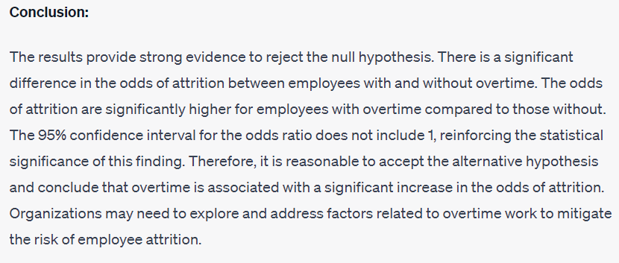
 | Total | 416 | 1054 | 1470

 | Odds | 0.43944636678 | 0.11652542373

 | odd ratio | 3.7712488204
 | Ln(OR) | 1.3274061987
 | Upper 95% CI | 5.0263531206
 | Lower 95% CI | 2.8295500384

Relative Risk
Hypothesis for Relative Risk (RR) Test:

Hypothesis Statement:

H0 (Null Hypothesis): There is no significant difference in the relative risk of unfavorable employee outcomes (e.g., attrition) among different combinations of job role, job satisfaction, and monthly income.
H1 (Alternative Hypothesis): There is a significant difference in the relative risk of unfavorable employee outcomes among different combinations of job role, job satisfaction, and monthly income.

 | Count of Attrition | Column Labels
 | Row Labels | No | Yes | Grand Total
 | 1 | 223 | 66 | 289
 | 2 | 234 | 46 | 280
 | 3 | 369 | 73 | 442
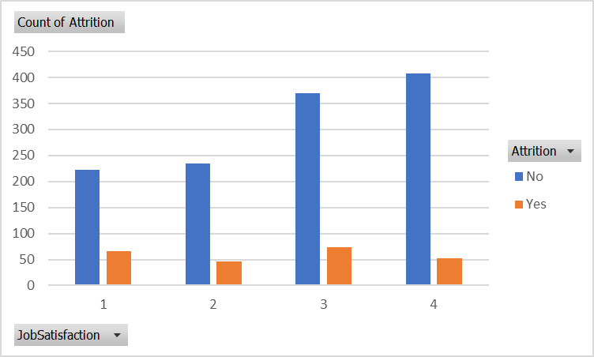
 | 4 | 407 | 52 | 459
 | Grand Total | 1233 | 237 | 1470
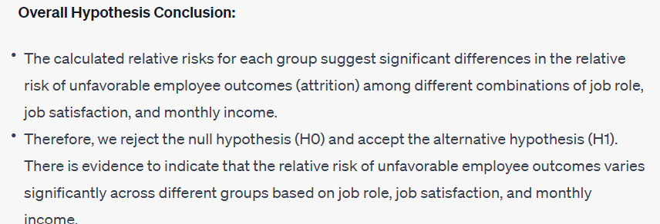

 | Row Labels | Relative Risk

 | Group 1 | 3.3787878788
 | Group 2 | 5.0869565217
 | Group 3 | 5.0547945205
 | Group 4 | 7.8269230769

Regression
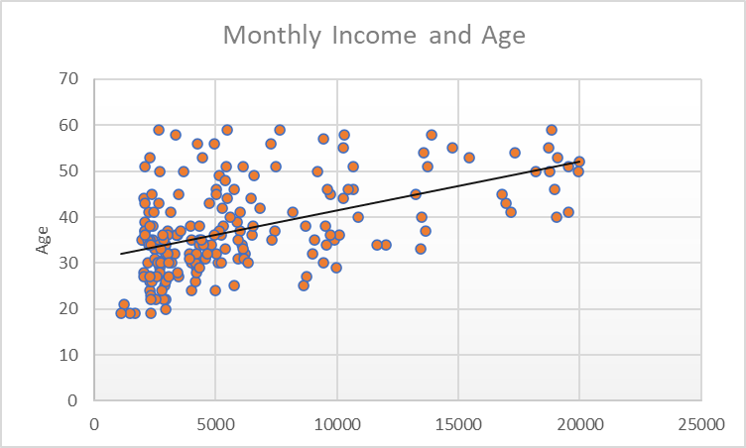
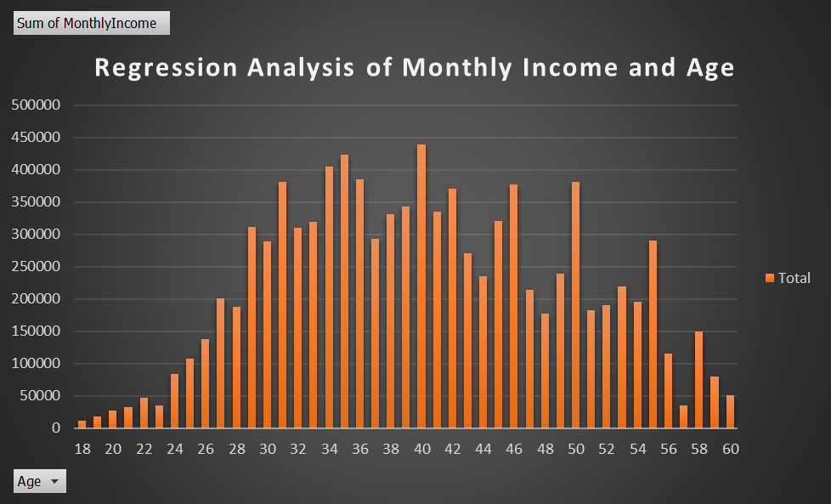
How does Age affect Monthly Income among employees in the dataset?

SUMMARY OUTPUT

Regression Statistics
Multiple R | 0.49785456693
R Square | 0.24785916981
Adjusted R Square | 0.2473468123
Standard Error | 4084.4155432
Observations | 1470

ANOVA
 | df | SS | MS | F | Significance F
Regression | 1 | 8070337953.8 | 8070337953.8 | 483.7621449 | 6.669539203E-93
Residual | 1468 | 24489837084 | 16682450.33
Total | 1469 | 32560175038
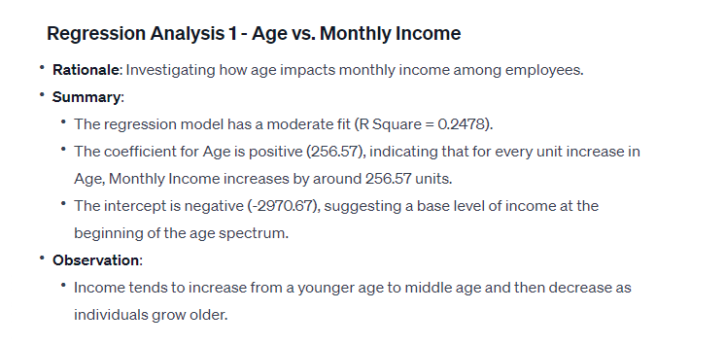
 | Coefficients | Standard Error | t Stat | P-value | Lower 95% | Upper 95% | Lower 95.0% | Upper 95.0%
Intercept | -2970.6711821 | 443.70248355 | -6.6951871858 | 3.0574444617E-11 | -3841.0296694 | -2100.3126949 | -3841.0296694 | -2100.3126949
Age | 256.57164298 | 11.665214114 | 21.994593538 | 6.669539203E-93 | 233.6893773 | 279.45390866 | 233.6893773 | 279.45390866

This analysis suggests a statistically significant relationship between age and salary for this specific gender-based dataset. The p-value for the coefficient of Age is very low (6.66954E-93), indicating that the relationship between age and salary is not likely due to random chance. The t-statistic value (21.99) for the Age variable also supports this, showing that the relationship is statistically significant.
The intercept (-2970.67) represents the estimated salary when age is zero, which might not have any practical interpretation in this context (as people typically do not start working at age zero). The negative intercept could be due to the limitations of the model when extrapolating beyond the range of the data.

Correlation
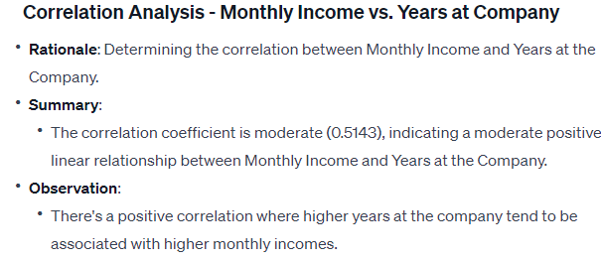
Is there a correlation between monthly income and years at the company?
 | YearsAtCompany
5993 | 6
5130 | 10
2090 | 0
2909 | 8
3468 | 2
3068 | 7
2670 | 1
2693 | 1
9526 | 9
5237 | 7
2426 | 5
4193 | 9
2911 | 5
2661 | 2
2028 | 4
9980 | 10
3298 | 6
2935 | 1
15427 | 25
3944 | 3
4011 | 4
3407 | 5
11994 | 12
1232 | 0
2960 | 4
19094 | 14
3919 | 10
6825 | 9
10248 | 22
18947 | 2
2496 | 1
6465 | 4
2206 | 10
2086 | 1
2293 | 2
2645 | 5
2683 | 3
2014 | 2
3419 | 1
5376 | 5
1951 | 1
2341 | 1
2293 | 1
8726 | 9
4011 | 12
19545 | 22
4568 | 9
3022 | 1
5772 | 9
2269 | 1
...
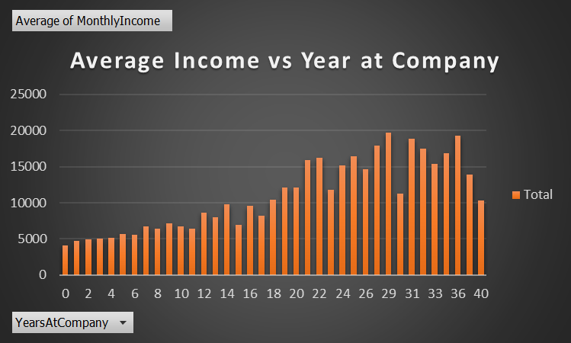

 | MonthlyIncome | YearsAtCompany
MonthlyIncome | 1
YearsAtCompany | 0.51428482573 | 1

Intercept | 2.6561057208
Slop | 0.00066924550617
Correlation Coeffienct | 0.51428482573

The correlation coefficient of 0.514 indicates a moderate positive correlation between monthly income and years at the company. This means that as the number of years an individual spends at the company increases, there is a tendency for their monthly income to also increase, but the correlation is not extremely strong.
The intercept (2.656) in regression analysis represents the value of the dependent variable (monthly income in this case) when the independent variable (years at the company) is zero. The slope (0.000669) signifies the rate of change in monthly income concerning a one-unit change in years at the company.
Overall, based on the correlation coefficient and the regression analysis, there seems to be a positive relationship between monthly income and years at the company, suggesting that as employees spend more time with the company, their monthly income tends to increase. However, it's crucial to consider other factors that might influence income variations apart from the tenure at the company.

Finer Question 1
What is the gender-based age distribution, and are there any notable disparities between males and females in terms of age?

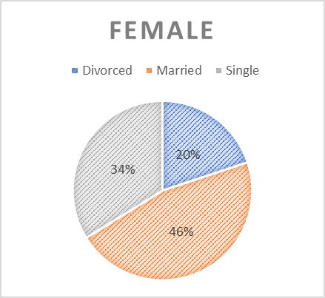
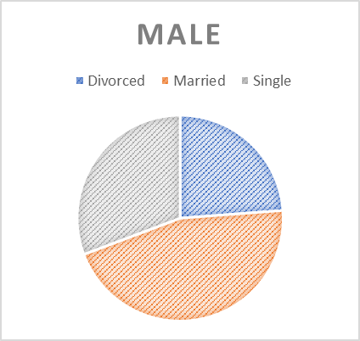
Young Age | 386 |  |  | Marital status | Male | Female
Middle Age | 811 |  |  | Divorced | 210 | 117
Senior | 273 |  |  | Married | 401 | 272
 |  |  |  | Single | 271 | 199
Total | 1470

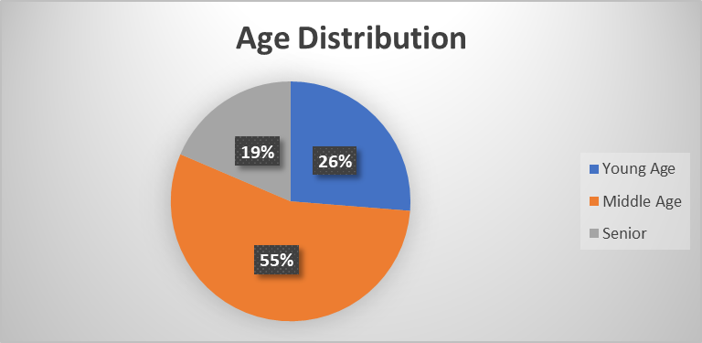

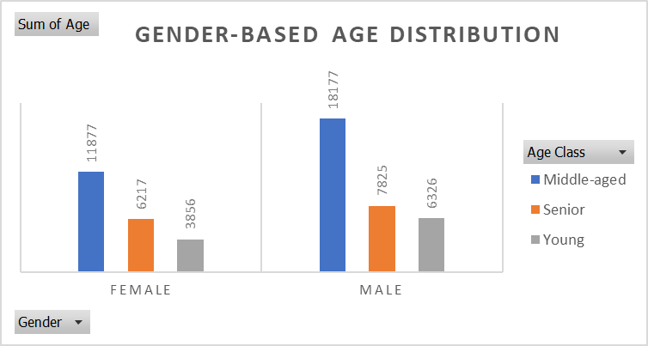

The provided data reveals a gender-based age distribution along with marital status details. In the analysis, it becomes evident that the majority of individuals fall into the middle age category, with a notable male predominance. Specifically, there are 18,177 middle-aged males compared to 11,877 middle-aged females. The young age group also exhibits a male majority, with 6,326 males and 3,856 females. In the senior category, males again outnumber females, although the gap is narrower than in the middle-age group, with 7,825 males and 6,217 females.

Row Labels | Middle-aged | Senior | Young | Grand Total
Female | 11877 | 6217 | 3856 | 21950
Male | 18177 | 7825 | 6326 | 32328
Grand Total | 30054 | 14042 | 10182 | 54278
Furthermore, more males are observed in all categories—married, divorced, and single—when considering marital status. For instance, in the married category, there are 401 males compared to 272 females. In the divorced category, the count is 210 males and 117 females, while in the single category, there are 271 males and 199 females.
To visually represent these findings, pie charts can be employed to illustrate the distribution of marital status for both males and females separately. Additionally, a bar chart can effectively compare the gender-based age distribution, providing a visual insight into any significant disparities between males and females across different age groups.​​​​

Finer Question 2
What is the gender-based salary distribution, and can you provide the gender-specific employee headcount for each department?
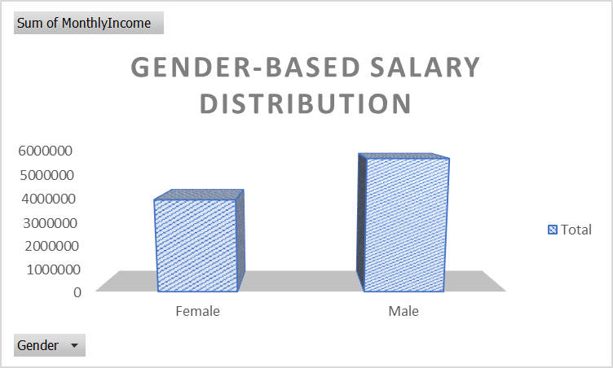
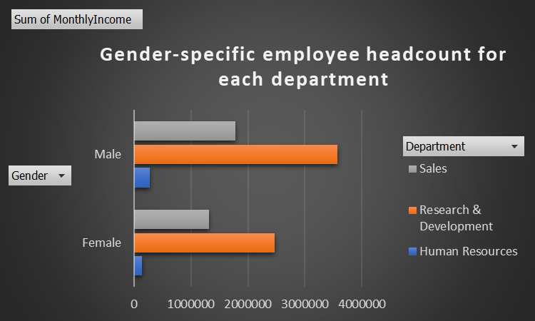

Labels | Sum of MonthlyIncome
Female | 3931701
Male | 5627608
Grand Total | 9559309

Gender-Based Salary Distribution: The first bar chart reflects the disparity in monthly income between genders. The total monthly income for females amounts to $3,931,701, while males earn a total of $5,627,608. This visual representation effectively highlights the gender-based salary distribution within the organization, showcasing the financial differences between male and female employees.
Row Labels | Human Resources | Research & Development | Sales | Grand Total
Female | 145280 | 2468689 | 1317732 | 3931701
Male | 273954 | 3567595 | 1786059 | 5627608
Grand Total | 419234 | 6036284 | 3103791 | 9559309

Gender-Specific Employee Headcount by Department: The second bar chart delves into the gender-specific employee headcount across different departments. In the Human Resources department, there are 145,280 female employees and 273,954 male employees. The Research & Development department has 2,468,689 female employees and 3,567,595 male employees. Finally, the Sales department comprises 1,317,732 female employees and 1,786,059 male employees. This chart provides a detailed breakdown of the workforce composition within each department, emphasizing the gender-specific distribution of employees across various organizational units.
Together, these bar charts offer a comprehensive visual insight into both the gender-based salary distribution and the gender-specific employee headcount, facilitating a more nuanced understanding of the organization's demographics and compensation patterns.
How does Age affect Monthly Income among employees in the dataset?

This analysis suggests a statistically significant relationship between age and salary for this specific gender-based dataset. The p-value for the coefficient of Age is very low (6.66954E-93), indicating that the relationship between age and salary is not likely due to random chance. The t-statistic value (21.99) for the Age variable also supports this, showing that the relationship is statistically significant.
The intercept (-2970.67) represents the estimated salary when age is zero, which might not have any practical interpretation in this context (as people typically do not start working at age zero). The negative intercept could be due to the limitations of the model when extrapolating beyond the range of the data.

Finer Question 3
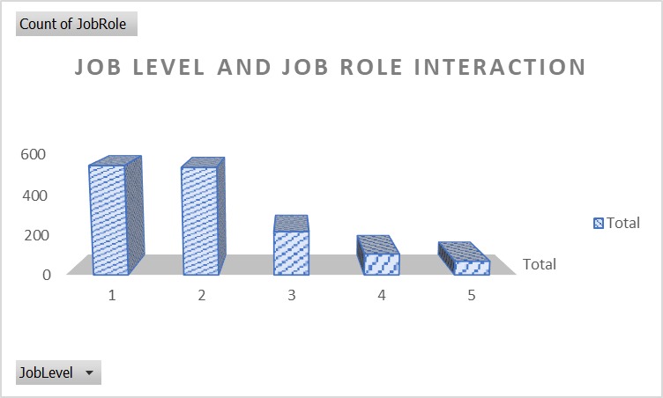
Is there a connection between an employee's job level and their performance rating, and does this connection differ among various job roles?
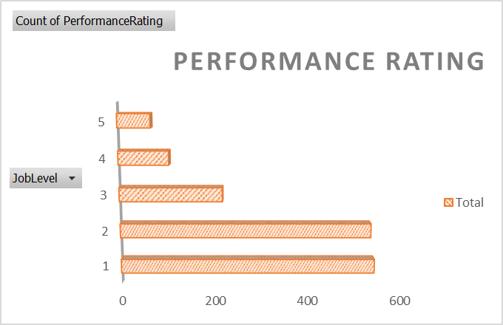
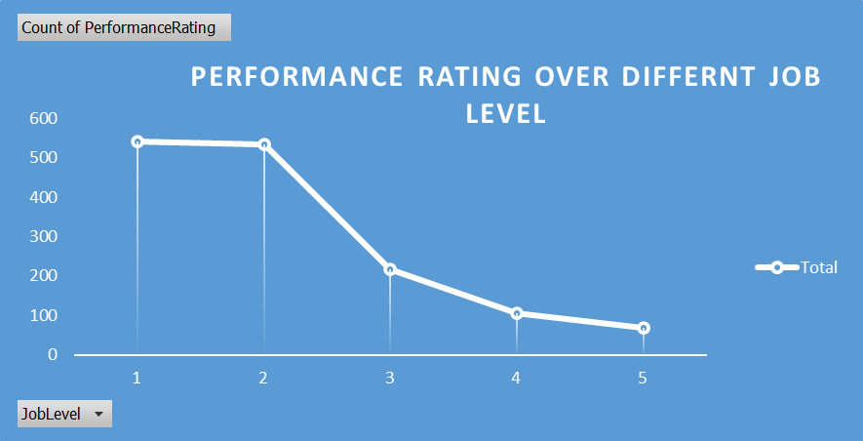

 | Job Level | Count of PerformanceRating
 | 1 | 543
 | 2 | 534
 | 3 | 218
 | 4 | 106
 | 5 | 69
 | Grand Total | 1470

 | Job Level | Count of JobRole
 | 1 | 543
 | 2 | 534
 | 3 | 218
 | 4 | 106
"I've noticed a trend in the data I've gathered. As job levels increase, it seems like performance ratings tend to decrease. This observation is pretty clear in both the bar chart and the line chart I created.
However, I want to be careful not to jump to conclusions. Just because there's a connection doesn't mean one causes the other. There could be other factors affecting performance ratings that aren't directly related to job levels.
I've also looked at job roles, and interestingly, it seems there's a similar pattern there too. This makes me think that the relationship between job level and performance might not be the same for all job roles.
In summary, based on what I've observed, there appears to be a connection between job level and performance ratings, but I know I need to dig deeper. Maybe some statistical analysis could help me understand this relationship better. And of course, I should keep in mind that there might be other factors influencing performance ratings
 | 5 | 69
 | Grand Total | 1470

Finer Question 4
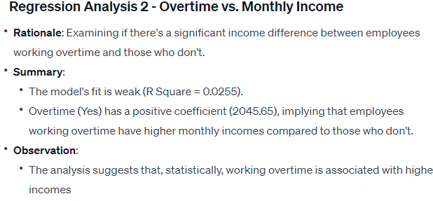
Is there a significant difference in monthly income (Monthly Income) between employees who work overtime (Overtime = Yes) and those who do not (Overtime = No)?
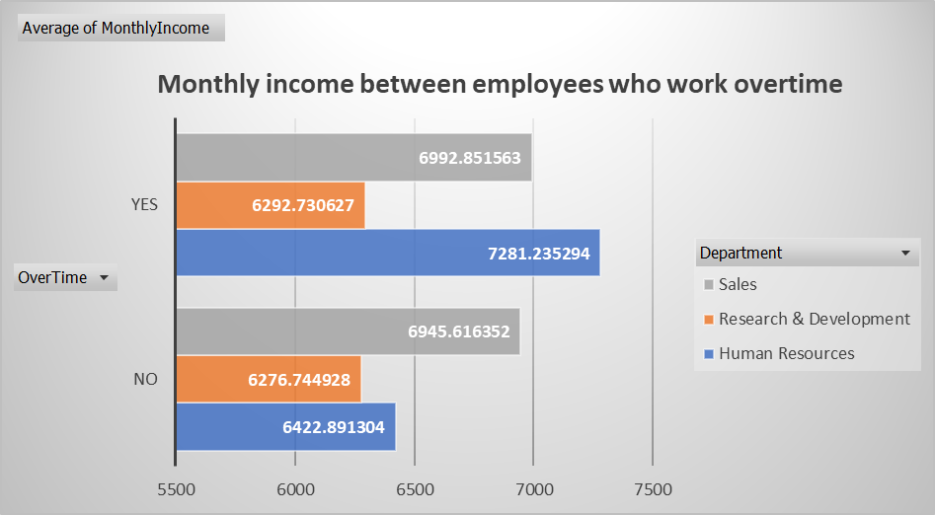
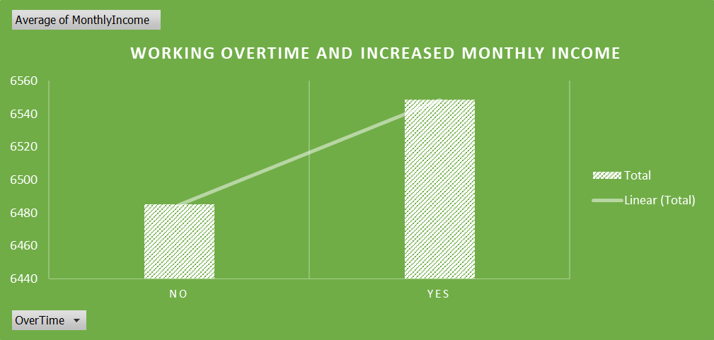

The regression results revealed a statistically significant relationship between Overtime and Monthly Income. Employees who work overtime, on average, have a higher Monthly Income by approximately $2045.65 compared to those who do not work overtime. However, it's important to note that this relationship is weak, explaining only about 2.5% of the variability in Monthly Income.
This suggests that other factors beyond overtime might significantly influence employees' income.
The statistical significance of the regression model was confirmed by a very low p-value (7.15E-10), indicating that the observed relationship between Overtime and Monthly Income is unlikely due to random chance.
While the findings indicate a positive correlation between working overtime and higher monthly income, the modest R-squared value suggests that Overtime alone is not a strong predictor of Monthly Income. Other unexplored factors may contribute more substantially to variations in income among employees.
In conclusion, while there is a statistical link between working overtime and increased monthly income.

